HOW TO FILL THE SHEET 、記入方法
How to fill in the "Environmental Hazardous Substances Survey"
環境負荷物質調査への記入方法
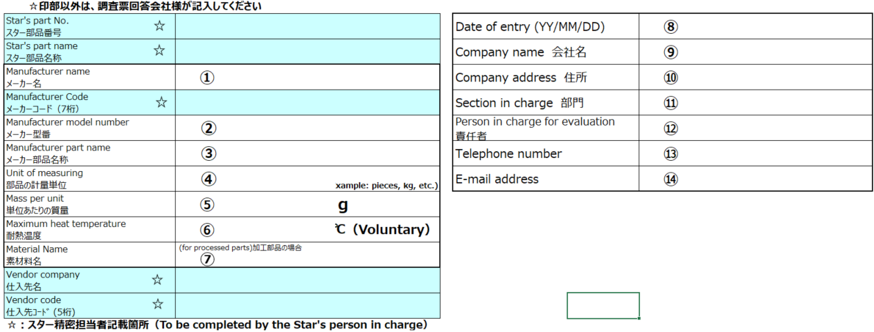

 | ●Explanation of fill-in contents for each item |  | ●各項目への記入内容説明
 | ① | Manufacturer name of the part surveyed | ① | 調査対象部品のメーカー社名
 | ② | Model number of the part surveyed | ② | 調査対象部品のメーカー型番
 | ③ | Part name of the part surveyed | ③ | 調査対象部品のメーカー部品名称
 | ④ | Unit of measurement or weight of the part surveyed 【Drop-down selection】 | ④ | 調査対象部品の計量単位 【ﾄﾞﾛｯﾌﾟﾀﾞｳﾝ選択】
 | ⑤ | Mass per unit of the part surveyed (grams) | ⑤ | 調査対象部品の単位あたりの質量（グラム）
 | ⑥ | Heat-resistant temperature in the soldering process for electronic components | ⑥ | 電子部品の場合のはんだ工程における耐熱温度
 | ⑦ | Indicate if the parts are processed based on drawings specified by our company. | ⑦ | 当社指定図面に基づき加工される部品の場合に記入
 | ⑧ | Entry date in the "Environmental Hazardous Substances Survey" | ⑧ | 環境負荷物質調査への記入日
 | ⑨ | Name of the company responding to the survey | ⑨ | 調査回答会社名
 | ⑩ | Address of the company responding to the survey | ⑩ | 調査回答会社住所
 | ⑪ | Name of the department responding to the survey | ⑪ | 調査回答部署名
 | ⑫ | Name of the person in charge responding to the survey | ⑫ | 調査回答担当者名
 | ⑬ | Telephone number of the company responding to the survey | ⑬ | 調査回答会社電話番号
 | ⑭ | E-mail address of the company responding to the survey | ⑭ | 調査回答会社メールアドレス

Ａ
Ｂ
Ｃ
Ｄ
Ｅ
Ｆ

 | 1⃣Search for contained substances in the "List" sheet. Check the List No. (column A) where the relevant substance is displayed.
 | Enter the List No. information in column B of the "Questionnaire" sheet.
 | Sheet「List」 から、含有している物質を検索。該当物質が表示されているList No.(A列)を確認。 Sheet「Questionnaire.調査票」のＢ列に入力

 |  | ★Search Tips★ | ★検索ポイント★
 |  | ・If the CAS number is known, search using the CAS number. | ・ CAS No.が明確であれば、CAS No.から検索
 |  | ・f the substance name is known, search using the substance name. | ・ 物質名が明確であれば、物質名から検索
 |  | ・If the substance group is known but the specific substance cannot be | ・ 物質グループは分かっているが、詳細物質を見つけられなければ、物質グループ名から検索
 |  | identified, search using the substance group name.

 | 2⃣When you enter the List No., the substance name and CAS number will be automatically displayed. Please verify the details.
 | Please enter numbers using half-width characters.
 | List No.を入力すると、物質名とCAS No.が自動表示されます。内容を確認ください。 半角数字で入力してください。

 | 3⃣ Enter the required items (A to D, F) for the substances. Refer to the detailed explanation below.
 | 含有している物質の必要項目(A～Ｄ、Ｆ)を入力 ・・・詳細説明は下記

 | ●Explanation of what you fill in each item |  | ●各項目に記入する内容の説明
 | Ａ | Total weight of the substance contained in the component part. | Ａ | 構成要素部位に含有している物質の総重量
 |  | Enter in mg units. |  | mg単位で記入
 | Ｂ | Concisely state the usage or purpose of the regulated substance. | Ｂ | 規制物質の使用用途または使用目的を簡潔に記入
 |  | Examples: plasticizer, flame retardant, ingredient of solder, |  | 例）可塑剤、難燃剤、はんだ成分、主成分、
 |  | main ingredient, improvement of property, etc. |  | 特性向上 等
 | Ｃ | State the name of the constituent element portion that contains | Ｃ | 調査対象部品で、規制物質が存在している構成要素
 |  | the regulated substance within the part investigated. |  | 部位の名称
 |  | *This should be the name described in drawings or specifications, or the common name. |  | ※図面や仕様書に記載の部位、または通称
 | Ｄ | Enter the weight of the portion containing the regulated substance in milligrams. | Ｄ | 規制物質が存在している部分の総重量をmg単位で記入
 | Ｅ | The content rate will be automatically calculated and displayed. | Ｅ | 計算式により自動的に含有率が表示されます
 |  | *Do not delete formulas written for calculation in each cell. |  | ※各セルに計算用に書かれた数式は削除しないでください
 | Ｆ | This entry is required if the figure or usage conditions fall under exemptions from | Ｆ | 規定の適用除外となる数値や使用条件に該当する場合は記入が
 |  | the regulations. If you have any special notes to inform us of, please enter them. |  | 必要です。また当社への伝達事項があれば記入ください

 | 4⃣ When you have completed filling in all the required items, please save the file in Excel format and submit it to us, maintaining the same file format.
 | Please use the following naming convention for the file:
 | part number (8 digits)_supplier code (5 digits)_supplier response date (YYYYMMDD). (Example: 32000000_12345_20240301)
 | 必要事項の入力が完了しましたら、Excel形式でファイルを保存し、ファイル形式を保ったままご提出ください。
 | ファイル名は、部番（8桁）_取引先コード（5桁）_仕入先回答日（8桁）として頂けますようご協力をお願いします。（例：32000000_12345_20170301）

If you have any questions, please inform our company staff who requested this survey.
ご不明な点がございましたら、調査を依頼した弊社担当者までお知らせください。

